ROSHANLAL SHANTI DEVI (B.E (2)
xq:tEHks'oj fo'ofo|ky;] eqjknkcknA
 |  |  |  |  |  |  |  |  |  |  |  |  |  |  |  |  |  | çk:i&02
1- tuin dk uke & eqjknkckn |  |  |  |  |  |  |  |  |  | 2- 'kS{kf.kd l= & 2026&28
3- egkfo|ky; dk uke % vkj0,l0Mh0 ,dsMeh] jkexaaxk fogkj] Qsl&2] eqjknkckn |  |  |  |  |  |  |  |  |  | 4- ;wfuV dh la[;k & 02 |  |  |  |  | 5- fo|kFkhZ la[;k& 200
Ø0 | f'k{kd o firk dk uke o in | cSad [kkrk la[;k | cSad dk uke | iSu la[;k | vk/kkj la[;k | tUefrfFk | LFkk;h irk | 'kSf{kd ;ksX;rk |  |  |  |  |  | fo'ofo|ky; }kjk vuqeksnu |  | dk;ZHkkj xzg.k dh frfFk | vuqHko | jaxhu fVdV lkbt lR;kfir QksVks
 |  |  |  |  |  |  |  | B.Ed. / B.El.Ed o"kZ lS)k % Ikzk;ks % | M.Ed./ M.P.Ed o"kZ ,oa % | LukrdksŸkj o"kZ ,oa % ¼lEcfU/kr fOk"k; dk Li"V mYys[k djs½ | Ph.D o"kZ | NET o"kZ | ;w-Ikh- LysV o"kZ | gS ;k ugh | fo0fo0 vuqeksnu dh frfFk ,oa i=kad ¼i= dh Nk;kizfr layXu djsa½
1& fizfliy@foHkkxk/;{k
1 | MkW0 lat; esgjks=jk iq= Jh izse xksiky esgjks=jk ¼izkpk;Z½ | 8432010056340 | çFkek ;ww0Ikh0 xzkeh.k cSad | BWDPS8102F | 268589613569 | 1967-05-25 | eaMh pkSd] eqjknkckn | 1991 61% 62-5% |  | 1988 69-55% ¼okf.T;½ | 1995 |  | - | gS | :-fo@lEc-2009@1618 fnukad 21-09-2009 | 2016-03-01 | 30 o"kZ | 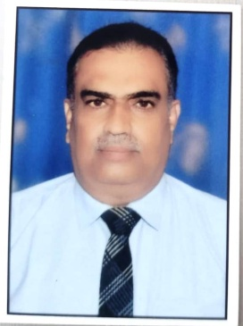
2 | vfuy dqekj iq= Jh NRRkj flag ¼foHkkxk/;{k½ | 84320192061533 | çFkek ;ww0Ikh0 xzkeh.k cSad | AVNPK9506H | 677575630547 | 12.07.1977 | jkf/kdk fogkj] vkxjk | 2004 77% | 2005 68% | 1999 -74% ¼tUrq foKku½ | 2009 |  | - | ugh | izfØ;k/khu | 2024-10-04 | 16 o"kZ | 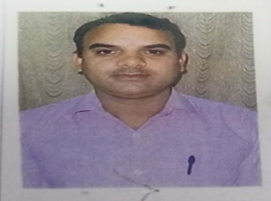

2& f'k{k.k fo"k; ¼xf.kr] foKku] lkekftd foKku rFkk Hkk"kk½
3 | Jh eksgj flag Jh jke ;ksxsUnz iky flag IkzoDrk | 84320192068252 | çFkek ;ww0Ikh0 xzkeh.k cSad | EQEPS4171J | 877380511128 | 08.03.1985 | xzke& ljeksFkiqj ftyk vyhx<+ | 2011 67-60% | 2013 61-80% | 2015 61-60% ¼HkkSfrd foKku½ | - | 2018 | - | ugh | izfØ;k/khu | 2024-10-04 | 7 o"kZ | 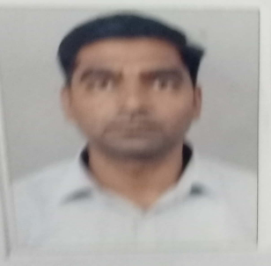
4 | /kesZUnz dqekj Hkkjrh iq= Jh eqUUk yky ¼çoDrk½ | 84320143428399 | çFkek ;ww0Ikh0 xzkeh.k cSad | BHXPB9955Q | 447491805264 | 04.03.1986 | vkSjaxk ckn 'kkgiqj cjkS<k] vyhx<+ | 2008 66-00% | 2011 61% | 2014 58-25% ¼jlk;u foKku½ | - | 2017 | - | ugh | izfØ;k/khu | 2024-10-04 | 8 o"kZ | 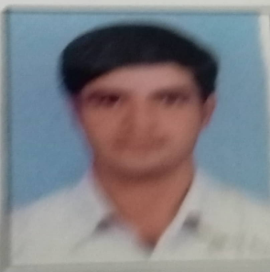
5 | /kesZUnz dqekj iq= Jh veu nkl ¼çoDrk½ | 84320192079238 | çFkek ;ww0Ikh0 xzkeh.k cSad | CGTPK1579K | 416821569066 | 15.08.1980 | oohuk jksM g"kalkj] >k¡lh | 2002 59-90% | 2003 57-05% | 2005 61-60% ¼xf.kr½ | - | 2013 | - | ugh | izfØ;k/khu | 2024-10-04 | 12 o"kZ
6 | vons'k dqekj iq= Jh lar jke ¼çoDrk½ | 84320136255913 | çFkek ;ww0Ikh0 xzkeh.k cSad | BCYPC0216K | 614678211612 | 07.07.1990 | ogksjuiqj] tkSuiqj | 2012 68-% | 2013 61-14% | 2016 59-58% ¼xf.kr½ | - | 2014 | - | ugh | izfØ;k/khu | 2024-10-04 | 11 o"kZ | 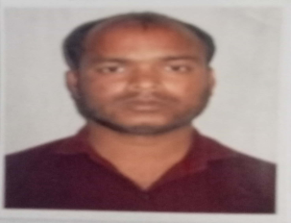
7 | Noh jke flag iq= Jh nu flag ¼çoDrk½ | 8432019265598 | çFkek ;ww0Ikh0 xzkeh.k cSad | IMVPS2407E | 706567049255 | 03.06.1991 | ljdkjh Vqcsy ds ikl] xzke jktk ukxyk] cnk;w¡ | 2014 74-40% | 2015 68% | 2013 59-80% ¼HkkSfrd foKku½ | - | 2017 | - | ugh | izfØ;k/khu | 2024-10-04 | 8 o"kZ | 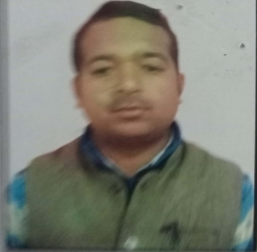
8 | nhfidk pkSgku iq=h Jh ;q)ohj flag pkSgku ¼çoDrk½ | 84320192079106 | çFkek ;ww0Ikh0 xzkeh.k cSad | ALIPC1575H | 339231802053 | 06.11.1981 | fo);k fogkj Qst 2 nsgjknwu | 2005 60-60% | 2006 67% | 2012 -68% ¼tUrq foKku½ | - | 2006 | - | ugh | izfØ;k/khu | 2024-10-04 | 19 o"kZ | 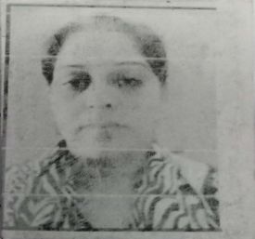

9 | vk'kqrks'k dqekj vfXugks=jh iq= Jh dkS'ky fd'kksj vfXugks=jh ¼çoDrk½ | 84320192061576 | çFkek ;ww0Ikh0 xzkeh.k cSad | ATCPA9676M | 902619022228 | 09.07.1971 | sljnkj [kku] lgkjuiqj | 1993 60% | 2001 62% | 1992 -56-76% ¼ouLifr foKku½ |  | 2017 | - | ugh | izfØ;k/khu | 2024-10-04 | 7 o"kZ
10 | T;ksfr rsofr;k iq= Jh ujs'k iky¼çoDrk½ | 84320192079068 | çFkek ;ww0Ikh0 xzkeh.k cSad | BMEPT6970K | 331187996899 | 18.01.1994 | ojuhdk LVsV] esj< | 2017 77-03% | 2019 82-75% | 2021 -65-72% ¼ouLifr foKku½ |  | 2020 | - | ugh | izfØ;k/khu | 2024-10-04 | 6 o"kZ
11 | izfrek nsoh iq= Jh f'ko pju R;kxh ikys¼çoDrk½ | 84320192079246 | çFkek ;ww0Ikh0 xzkeh.k cSad | AJJED7600F | 507879278162 | 11.08.1979 | Dohul dkyksuh] esjB | 1982 57-% | 1993 63-20% | 2014 -62-02% ¼ okf.t;½ |  | 2013 | - | ugh | izfØ;k/khu | 2024-10-04 | 13 o"kZ
12 | jfoUnzj izrki iq= Jh rislj ;kno s¼çoDrk½ | 84320136255720 | çFkek ;ww0Ikh0 xzkeh.k cSad | AMRPP9541L | 844786197750 | 16.02.1982 | Hkqjdqjk] xktjiqwj | 2007 59-62% | 2010 61-33% | 2004 56-18% ¼izphu bfrgkl½ |  | 2014 | - | ugh | izfØ;k/khu | 2024-10-04 | 11 o"kZ
13 | jkts'k pUnz iq= Jh lq;kZ yky ¼çoDrk½ | 84320192079165 | çFkek ;ww0Ikh0 xzkeh.k cSad | ALZECO775E | 994442916185 | 08.07.1987 | osokuk] vEcsMdj uxj | 2011 66-82% | 2013 61-50% | 2012 58-80% ¼E/; bfrgkl½ |  | 2017 | - | ugh | izfØ;k/khu | 2024-10-04 | 11 o"kZ | 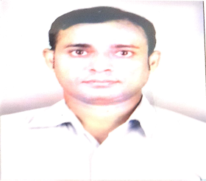
14 | jkt iky flag iq= Jh gjLo:Ik flag ¼çoDrk½ | 84320192061584 | çFkek ;ww0Ikh0 xzkeh.k cSad | FHKPS5973Q | 491990143529 | 10.08.1973 | ljdM+k deky vejksgk | 1999 53-04% | 2000 54-75% | 2008 55-03% ¼ jktfufrd 'kkL=½ |  | 2007 | - | ugh | izfØ;k/khu | 2024-10-04 | 19 o"kZ | 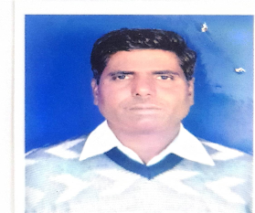
15 | fjf'k dqekj fo'odekZ iq= Jh ewypUnz fo'odekZ ¼çoDrk½ | 84320192065601 | çFkek ;ww0Ikh0 xzkeh.k cSad | ASHEV6252A | 223358681494 | 06-10.1986 | nsoyh] bykgckn | 2014 73-30% | 2015 66-14% | 2012 56-30% ¼ vxzsth½ |  | 2017 | - | ugh | izfØ;k/khu | 2024-10-04 | 9 o"kZ
16 | jrus'k dqekj f=ikBh iq= Jh lqjsUnz ukFk frokjh fo'odekZ ¼çoDrk½ | 84320138111140 | çFkek ;ww0Ikh0 xzkeh.k cSad | AVOPT0171E | 391882805422 | 10-08.1980 | xzke& gj}kjh] tkSuiqj | 2008 68-54% | 2009 68-42% | 2007 56-90% ¼ fgUnh½ | 2013 | 2017 | - | ugh | izfØ;k/khu | 2024-10-04 | 9 o"kZ | 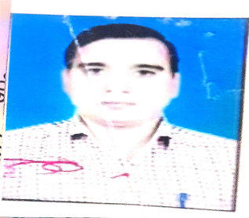
17 | jkds'k dqekj flg iq= Jh t; izdk'k flag ¼çoDrk½ | 84320143001593 | çFkek ;ww0Ikh0 xzkeh.k cSad | FAHPS5178H | 608609978717 | 01-11.1975 | mn; 'kkgiqj izrki xB+ |  | 2015 64-42% | 2007 xzsM ch &6-97 | 2007 |  | - | ugh | izfØ;k/khu | 2024-10-04 | 18 o"kZ | 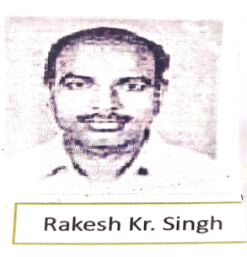
18 | Mk0 ekS0 fldUnj oDl iq= Jh vtht 'ks[k ¼çoDrk½ | 84320192079149 | çFkek ;ww0Ikh0 xzkeh.k cSad | CBOPB5117J | 369442715752 | 30-06.1982 | gjikyiqj] Nrrjiqj | 2007 75-% | 2010 60-% | 2005 60-% ¼ Hkqxksy½ | 2015 |  | - | ugh | izfØ;k/khu | 2024-10-04 | 10 o"kZ | 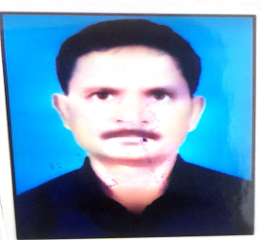
19 | eatw caly iq=h Jh jes'k pUnz vxzoky | 84320100067318 | çFkek ;ww0Ikh0 xzkeh.k cSad | ADCPB2765Q | 48249 3958285 | 15.01.1962 | lh&39 ,e-vkbZ-th- jkexaxk fogkj Qsl izFke eqjknkckn | 1983 54-00% 70-50% | 1988 56-3% | 1982 58% vFkZ'kkL= | 2002 | - | - | gS | :-fo@lEc-2008@74¼6½@2430 fnukad 05-04-2008 | 2008-04-07 | 12 o"kZ
20 | jrus'k dqekj iq= Jh d`ik 'kadj¼çoDrk½ | 84320192065687 | çFkek ;ww0Ikh0 xzkeh.k cSad | BBFPK7939D | 391882805422 | 15-04.1987 | xzke& gj}kjh] tkSuiqj | 2014 63-02% | 2015 64-42% | 2018 66-55% ¼vkpk;Z½ |  | 2017 | - | ugh | izfØ;k/khu | 2024-10-04 | 8 o"kZ

21 | /keZohj flag] iq= Jh [ksepUnz | 84320192061754 | çFkek ;ww0Ikh0 xzkeh.k cSad | CVYPS9768Q | 615613800912 | 28.02.1969 | lh&177 dfy;kx<+, esfMdy esjB | 2000 64% 85% | 2004 63% 89% | 2007 ¼n'kZu'kkL=½ | - | twu 2006 | - | gS | izfdz;k/khu | 04.10.2024 | 11 o"kZ
22 | xqykc pUnz iq= Jh jke vkljs | 84320192065644 | çFkek ;ww0Ikh0 xzkeh.k cSad | AJEPC6170E | 713223917326 | 1988-07-07 | /keZlkjh iksLV] izsekiqj] tkSuiqj m0iz0 | 2013 58.6% 65% | 2014 56/% 67.5% | 2017 59.3% ¼vFkZ'kkL=½ | - | tuojh 2017 | - | gS | izfdz;k/khu | 04.10.2024 | 11 o"kZ | 
23 | vrqy dqekj flag iq= Jh vHk;jkt flag | 84320137969437 | çFkek ;ww0Ikh0 xzkeh.k cSad | BYHPS4039P | 350177041999 | 10.01.1980 | ckn'kkgiqj lM+d ih-th- dkWyst] tkSuiqj m-iz0 | 2013 56.8% 65% | 2014 59.2/% 92% | 2011 63-7% ¼fgUnh½ | - | twu@ fnlEcj 2014 | - | gS | izfdz;k/khu | 2016-02-05 | 10 o"kZ
24 | cchrk jkuh iq=h Jh m/ke flag | 84320192079076 | çFkek ;ww0Ikh0 xzkeh.k cSad | CJWPR8235H | 660270507152 | 12.09.1987 | Hknksjk] jlksyiqj] esjB | 2017 68.89% | 2019 74.5% | 2012 71-9% ¼fgUnh½ | - | fnlEcj 2021 | - | gS | izfdz;k/khu | 04.10.2024 | 02o"kZ
25 | cyjke flag iq= Jh fcgkjh jke | 84320192061525 | çFkek ;ww0Ikh0 xzkeh.k cSad | GEOPS8275H | 770533149684 | 24.09.1975 | xzke jtkdiqj] iksLV vejksgk m0iz0 | 2002 64.1% 67% | 2007 54.2/% 83% | 2012 55-5% ¼vaxzsth½ | - | twu 2014 | - | gS | izfdz;k/khu | 04.10.2024 | 10o"kZ |  |  |  |  |  |  |  |  |  |  |  |  |  |  |  |  |  |  |  |  | 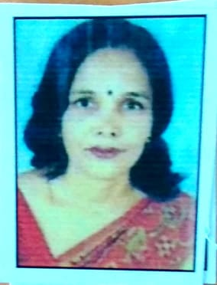
26 | Hkksyk ukFk iq= Jh jke yky | 84320192079157 | çFkek ;ww0Ikh0 xzkeh.k cSad | BIPPN5877G | 346618995975 | 25.01.1974 | mxkiqj] cjsLrkdyk bykgkckn m0iz0 | 2008 50.8% 91.5% | 2011 56.8/% 79% | 1997 56-63% ¼fgUnh½ | - | tqykbZ 2016 | - | gS | izfdz;k/khu | 04.10.2024 | 02 o"kZ
27 | vuqjkuh iq=h Jh lqjs'k | 84320192079017 | çFkek ;ww0Ikh0 xzkeh.k cSad | DUMPR8038C | 993934632490 | 13.06.1993 | nkfu'k eanku] vejksgk m0iz0 |  |  | 2018 62-4% ¼laxhr½ | - | vDVwcj 2022 | - | gS | izfdz;k/khu | 04.10.2024 | 02 o"kZ
28 | vpZuk ik.Ms;~ iq=h Jh mek'kadj ik.Ms; | 84320136255888 | çFkek ;ww0Ikh0 xzkeh.k cSad | BNLPP5642J | 768876587938 | 02.01.1980 | cnykiqj lM+d] cjiqj] tkSuiqj m0iz0 | 2009 68.8% 95.5% |  | 2003 62% ¼f'k{kk'kkL=½ 2007 59%jktuhfr'kkL= | - | twu 2013 | - | gS | izfdz;k/khu | 2016-02-05 | 10 o"kZ | 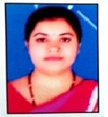
29 | v:u dqekj ik.Ms; iq= Jh 'ks"k/kj ik.Ms; | 84320138112315 | çFkek ;ww0Ikh0 xzkeh.k cSad | BGOPP1936P | 665277882674 | 01.03.1978 | ta?kkbZ cktkj] iksLV usVqyk] bykgkckn m0iz0 | 2008 56.1% 97% | 2009 57.4/% 87% | 2011 61.3% ¼fgUnh½ | 2013 |  | - | gS | izfdz;k/khu | 02.05.2016 | 10 o"kZ |  |  |  |  |  |  |  |  |  |  |  |  |  |  |  |  |  |  |  | 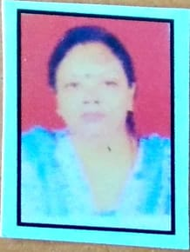
30 | v'kksd dqekj] iq= Jh jke Hkjksls yky | 84320192061770 | çFkek ;ww0Ikh0 xzkeh.k cSad | CQMPK9265P | 779434562921 | 16.02.1983 | xzke ulhexat] iksLV&lSnuxj] jkeiqj m0iz | 2007 57.7% 75.6% | 2013 59.4/% 92% | 2008 54% ¼bfrgkl½ | - | twu 2014 | - | gS | izfdz;k/khu | 04.10.2024 | o"kZ |  |  |  |  |  |  |  |  |  |  |  |  |  |  |  |  |  |  |  | 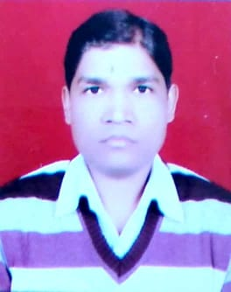
 | 'kkfjfjd f'k{kk
31 | eksfgr iq= Jh esgj flag ¼çoDrk½ | 84320192065008 | çFkek ;ww0Ikh0 xzkeh.k cSad | FAHPS5178H | 608609978717 | 07-07.1994 | mn; 'kkgiqj izrki xB+ | 2017 69-71% |  | #VALUE! |  |  | - | ugh | izfØ;k/khu | 2024-10-04 | 18 o"kZ |  | 19 | f'k{kd o firk dk uke o in | 89046767735 | çFkek ;ww0Ikh0 xzkeh.k cSad | HAXVP5412Y | 44113 6231363 | 1982-10-11 | xzke nwnkmxh iksLV xqytkjxat ftyk tkSuiqj | 2006 54-16% 75-00% | 2010 60.33% | 2005 58.27% ¼bfrgkl½ | - | - | - | gS | :-fo@lEc-2015&16@924 fnukad 27-02-2016 | 2016-03-01 | 10 o"kZ | 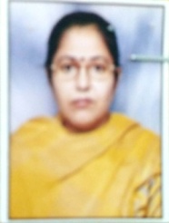
 |  |  |  |  |  |  |  |  |  |  |  |  |  |  |  |  |  |  | 20 |  | 8432010003774 | çFkek ;ww0Ikh0 xzkeh.k cSad | ALAPS1472H | 460787108809 | 1976-06-30 | 5@779 fodkl uxkj y[kuÅ | 2005 63-30% 85-00% | 2007 66.30% | 2000 56-80% ¼xf.kr½ | - | - | - | gS | :-fo@lEc-2008@74¼6½@2430 fnukad 05-04-2008 | 2008-04-07 | 15 o"kZ | 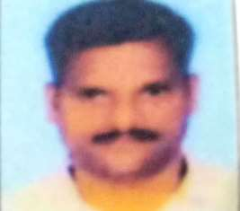
 |  |  |  |  |  |  |  |  |  |  |  |  |  |  |  |  |  |  | 21 | Jh 'kkjnk izlkn iq= Jh gfjgj flag | 8432010003775 | çFkek ;ww0Ikh0 xzkeh.k cSad | CPJPS6670E | 555737625104 | 1980-07-06 | 138@27@3,e@4v HkqybZ dk iqjk bykgkckn | 2005 64-00% 71-00% | 2007 68.88% | 2000 55-88% ¼bfrgkl½ | - | - | - | gS | :-fo@lEc-2008@74¼6½@2430 fnukad 05-04-2008 | 2008-11-15 | 14 o"kZ | 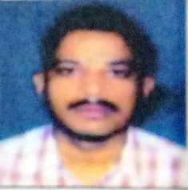
 |  |  |  |  |  |  |  |  |  |  |  |  |  |  |  |  |  |  |  | Hkjr jke ;kno iq= Jh jk/ks';ke ;kno | 84320100064113 | çFkek ;ww0Ikh0 xzkeh.k cSad | KLLPK2530B | 904016254164 | 1976-07-02 | /kkl dh eaMh] [kqtkZ ftyk cqyan'kgj | 2003 58-14% 60-00% | 2007 58.30% | 2001 50-03% ¼xf.kr½ | - | - | - | gS | :-fo@lEc-2008@74¼6½@2430 fnukad 05-04-2008 | 2008-11-15 | 15 o"kZ | 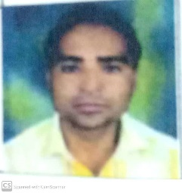
 |  |  |  |  |  |  |  |  |  |  |  |  |  |  |  |  |  |  |  | lfpu dqekj iq= Jh deyk 'kadj
 |  |  |  |  |  |  |  |  |  |  |  |  |  |  |  |  |  |  | Ø0 | eatw caly iq=h Jh jes'k pUnz vxzoky | 84320143001672 | çFkek ;ww0Ikh0 xzkeh.k cSad | HPCPS3269K | 360777100808 | 01.02.1982 | xzke f'kojktiqj iksLV xjokjk ftyk izrkix<+ | ch0Ikh0,M0 2006 74-41% | ,e0ih00,M0 2010 63-60% | - | - | - | - | gS | :-fo@lEc-2015&16@924 fnukad 27-02-2016 | 2016-03-01 | 11 o"kZ
 |  |  |  |  |  |  |  |  |  |  |  |  |  |  |  |  |  |  |  | uhyw R;kxh iq=h Jh jktiky R;kxh | 84320143001593 | çFkek ;ww0Ikh0 xzkeh.k cSad | FAHPS5178H | 60860 9978717 | 01.11.1975 | xzke mnbZ 'kkgiqj izrkix<+] vejx<+ ;w0Ikh0 | ch0Ikh0,M0 1998 67% | ,e0Ikh0,M0 2006 63-38% | 2000 49-80% ¼lekt'kkL=½ | - | - | - | gS | :-fo@lEc-2015&16@924 fnukad 27-02-2016 | 2016-03-01 | 15 o"kZ
 |  |  |  |  |  |  |  |  |  |  |  |  |  |  |  |  |  |  | 22
 |  |  |  |  |  |  |  |  |  |  |  |  |  |  |  |  |  |  | 23
 |  |  |  |  |  |  |  |  |  |  |  |  |  |  |  |  |  |  | 24 | f'k{kd o firk dk uke o in | cSad [kkrk la[;k | cSad dk uke | iSu la[;k | vk/kkj la[;k | tUefrfFk | LFkk;h irk | 'kSf{kd ;ksX;rk |  |  |  |  |  | fo'ofo|ky; }kjk vuqeksnu |  | dk;ZHkkj xzg.k dh frfFk | vuqHko | jaxhu fVdV lkbt lR;kfir QksVks
 |  |  |  |  |  |  |  |  |  |  |  |  |  |  |  |  |  |  | 25 |  |  |  |  |  |  |  | B.Ed. / B.El.Ed o"kZ lS)k % Ikzk;ks % | M.Ed. / M.P.Ed o"kZ ,oa % | LukrdksŸkj o"kZ ,oa % ¼lEcfU/kr fOk"k; dk Li"V mYys[k djs½ | Ph.D o"kZ | NET o"kZ | ;w-Ikh- LysV o"kZ | gS ;k ugh | fo0fo0 vuqeksnu dh frfFk ,oa i=kad ¼i= dh Nk;kizfr layXu djsa½
 |  |  |  |  |  |  |  |  |  |  |  |  |  |  |  |  |  |  | 26 | yrk lDlSuk iq=h Jh Hkxor lju lDlSuk |  |  |  |  |  |  |  |  |  |  |  |  |  |  |  |  | 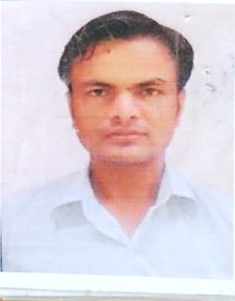
 |  |  |  |  |  |  |  |  |  |  |  |  |  |  |  |  |  |  | 27 | jkts'k dqekj iq= Jh j?kqukFk flag | 84320137059814 | çFkek ;ww0Ikh0 xzkeh.k cSad | EMEPK5592K | 828951157679 | 05.08.1990 | xzke o iksLV Hkwykiqj iksLV fetkZeqjkn ftyk okjk.kklh | - | - | 2014 75% ¼isfVax½ | - | - | - | gS | :-fo@lEc-2015&16@924 fnukad 27-02-2016 | 2016-03-01 | 7 o"kZ
 |  |  |  |  |  |  |  |  |  |  |  |  |  |  |  |  |  |  | 28 | T;ksfr ikBd iq=h Jh Tokyk çlkn feJk
 |  |  |  |  |  |  |  |  |  |  |  |  |  |  |  |  |  |  | 4& LokLF; rFkk 'kkjhfjd f'k{kk | Jh fou; izdk'k ;kno Jh dSyk'k ukFk ;kno IkzoDrk
 |  |  |  |  |  |  |  |  |  |  |  |  |  |  |  |  |  |  | 26 | Jh e/kqi flga iq= Jh lR;iky flga izoDrk |  | çFkek ;ww0Ikh0 xzkeh.k cSad | DJPPR6927E | 469085846855 | 05.08.1990 | txr osyk] xksj[kiqj | 2017 72-08% |  | 2013 57-50% ¼eap dyk xk;u½ |  | 2017 | - | gS |  | 2024-10-04 | 8 o"kZ | 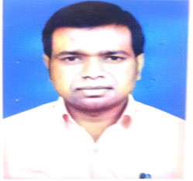
 |  |  |  |  |  |  |  |  |  |  |  |  |  |  |  |  |  |  | 30 | Jh fodkl 'kqDyk iq= Jh gjh 'kadj 'kqDyk izoDrk
 |  |  |  |  |  |  |  |  |  |  |  |  |  |  |  |  |  |  |  | uhjt dqekj dkSf”kd iq= Jh xksih pUnz dkSf”kd izoDrk

 |  |  |  |  |  |  |  |  |  |  |  |  |  |  |  |  |  |  | Ø0 | vHk; izrki flag iq= Jh jke u;ky flag
 |  |  |  |  |  |  |  |  |  |  |  |  |  |  |  |  |  |  |  | jkds'k dqekj flag iq= Jh t; çdk'k flag
 |  |  |  |  |  |  |  |  |  |  |  |  |  |  |  |  |  |  | 5& yfyr dyk,a
 |  |  |  |  |  |  |  |  |  |  |  |  |  |  |  |  |  |  | 31
 |  |  |  |  |  |  |  |  |  |  |  |  |  |  |  |  |  |  |  | f'k{kd o firk dk uke o in
 |  |  |  |  |  |  |  |  |  |  |  |  |  |  |  |  |  |  | 6& fu"iknu dyk,a ¼laxhr@u`R;~@jaxeap½
 |  |  |  |  |  |  |  |  |  |  |  |  |  |  |  |  |  |  | 32
 |  |  |  |  |  |  |  |  |  |  |  |  |  |  |  |  |  |  |  | larks"k dqekj iq= Jh fljtw çlkn

 |  |  |  |  |  |  |  |  |  |  |  |  |  |  |  |  |  |  |  | jk/kosUnzk iq= Jh jkr Hktkjr ¼çoDrk½

Sheet2
